Chart
CARDED COSMETICS
IMAGE | QTY / PCS | CASE PACK | # OF CASES | PRODUCT DESCRIPTION | PRICE | UPC | BATCH CODE: | LOCATION | STYLE #:
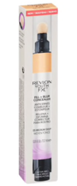 | 4,560 | 48 | 95 | REVLON YOUTH FX FILL & BLUR CONCEALER #05 MEDIUM DEEP | $1.55 | 309979229055 | N19X07A | REVLON SECTION - 1ST TIER ON THE LEFT SIDE | REV-0745
 | 2,928 | 48 | 61 | Revlon PhotoReady Color Correcting Pen for Redness 010 (BOXED) | $1.55 | 309974296014 | N19Z13A | REVLON SECTION - 2ND TIER ON THE LEFT SIDE | REV-0755
 | 7,200 | 72 | 100 | Revlon Colorstay Creme Gel Eyeliner #815 24K ( CARDED ) | $1.36 | 309979712052 | N18608A | REVLON SECTION - BOTTOM OF THE RACK ON THE RIGHT SIDE | REV-0449
 | 70 | 70 | 1
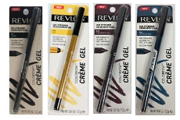 | 1,872 | 72 | 26 | Revlon Colorstay Creme Gel Eyeliner ASSORTED ( CARDED ) # 801 = CAVIAR # 815 = 24K # 824 = CASHMERE PLUM # 836 = PRIVATE ISLAND | $1.55 | 309979712014 309979712052 309979712045 309979712069 (309979712004) | N180701 N180601 | REVLON SECTION - BOTTOM OF THE RACK ON THE RIGHT SIDE | REV-0023
 | 8,928 | 48 | 186 |  |  | 309979712014 309979712052 309979712045 309979712069 (309974125007) | N180201A | REVLON SECTION - BOTTOM OF THE RACK ON THE RIGHT SIDE (10) & REVLON SECTION - 1ST TIER ON THE RIGHT SIDE | REV-0022
 | 240 | 48 | 5 | Revlon PhotoReady Color Correcting Pen #020 For Dullness ( BOXED ) | $1.55 | 309974296021 | N18723A | REVLON SECTION - BOTTOM OF THE RACK ON THE RIGHT SIDE | REV-0349
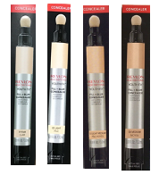 | 336 | 48 | 7 | Revlon Youth FX Fill + Blur Concealer (BOXED) ASSORTED #01 FAIR #02 LIGHT #03 LIGHT/ MEDIUM #04 MEDIUM #05 MEDIUM DEEP #06 DEEP | $1.55 | 309979229017 309979229024 309979229031 309979229048 309979229055 309979229062 (309979229007) | N18X04A N19124B N18X08A N18313A N18725A N18713A (N180801) | REVLON SECTION - BOTTOM OF THE RACK ON THE RIGHT SIDE | REV-0805
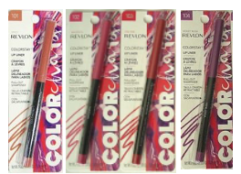 | 1,188 | 36 | 33 | Revlon Color Charge Colorstay Lip Liner ASSORTED ( CARDED ) # 101 = SPICY # 102 = MAGENTA # 103 = ON FIRE # 104 = VIOLET RUSH | $1.55 | 309971144042 309971144011 309971144028 309971144035 (309971144001) | N170301A | REVLON SECTION - 1ST TIER ON THE RIGHT SIDE | REV-0013
 | 1,152 | 48 | 24 | Revlon Lash Jewels #490 PRECOCIOUS PINK | $1.55 | 309974746038 | 06313 | REVLON SECTION - 1ST TIER ON THE RIGHT SIDE | REV-0548
 | 6,528 | 48 | 136 | Revlon ColorStay Brow Mousse #401 Blonde (CARDED) | $1.55 | 309974229012 | AC18122 | REVLON SECTION - 2ND TIER ON THE RIGHT SIDE | REV-0560
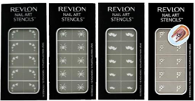 | 6,200 | 100 | 62 | Revlon Limited Edition Nail Art Stencils ASSORTED HEARTS SPIDERS MUSTACHES CHERRY BLOSSOM STARS | $1.00 | 309974123051 309974123013 309974123020 309972521019 309974123044 (309974123006) | NS217460 | REVLON SECTION - 2ND TIER ON THE RIGHT SIDE | REV-0293
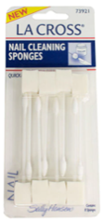 | 5,520 | 48 | 115 | SALLY HANSEN LA CROSS NAIL CLEANING SPONGES 8 CT #73921 | $0.75 | 075280021182
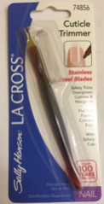 | 10,560 | 192 | 55 | Sally Hansen La Cross Cuticle Trimmer | $0.75 | 075280748560
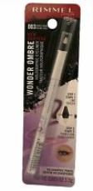 | 2,016 | 48 | 42 | Rimmel London Wonder Ombre Holographic Effect Eyeliner-Purple Prism | $1.55 | 3614225558337 |  |  | HBA-1763
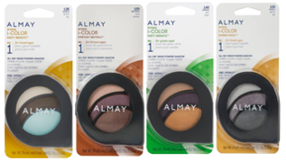 | 4,464 | 48 | 93 | Almay Intense i-Color ASSORTED ( CARDED ) # 135 - HAZELS # 105 - BROWNS # 140 - GREENS # 155 - HAZELS # 160 - GREENS # 120 - GREENS # 150 = BLUES # 115 = HAZELS | $1.55 | 309978388111 309978388012 309978388128 309978388074 309978388081 309978388043 309978388067 309978388039 (309971528009) | N17701A | REVLON SECTION - 1ST TIER ON THE LEFT SIDE | ALM-0058
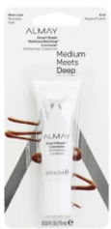 | 864 | 48 | 18 | Almay Smart Shade Skintone Match Concealer #040 Medium Meets Deep (CARDED) | $1.55 | 309977651049 | N18604A | REVLON SECTION - BOTTOM OF THE RACK ON THE RIGHT SIDE | REV-0816
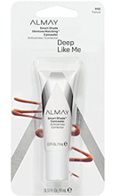 | 864 | 48 | 18 | Almay Smart Shade Skintone Match Concealer #050 Deep Like Me (CARDED) | $1.55 | 309977651056 | N18110A | REVLON SECTION - BOTTOM OF THE RACK ON THE RIGHT SIDE | REV-0817
 | 1,944 | 72 | 27 | Almay Clear Complexion Concealer #400 Medium Deep (CARDED) | $1.55 | 309974645041 | N18710A | REVLON SECTION - BOTTOM OF THE RACK ON THE RIGHT SIDE | REV-1020

TOTAL: | 67,434 |  | 736
 | PIECES |  | CASES

